Metrics and Plots
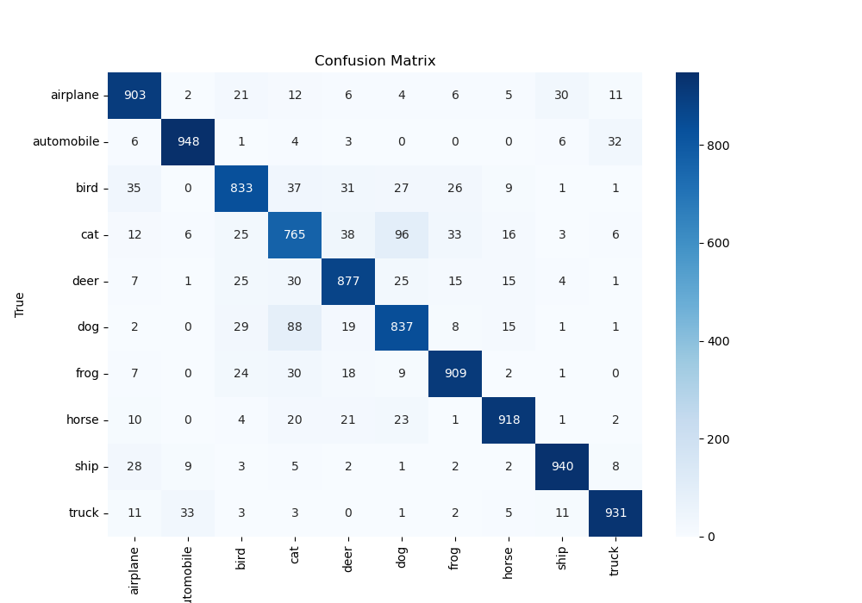
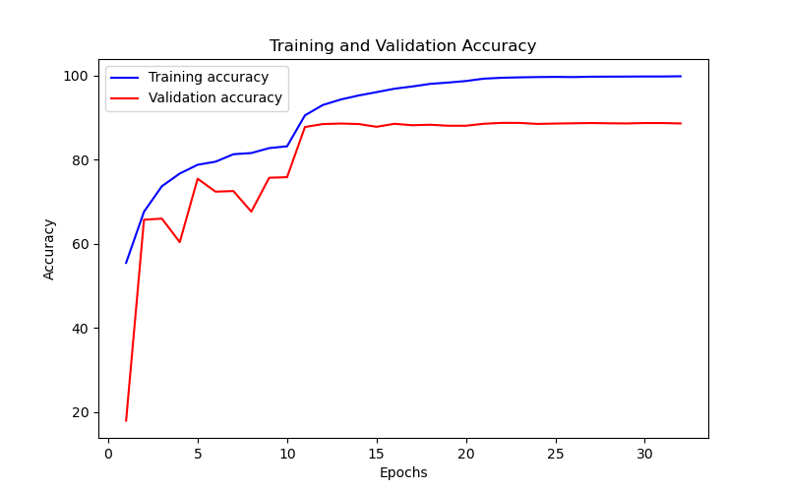
Epoch | Train Accuracy | Train Loss | Validation Accuracy | Validation Loss
1 | 55.48 | 1.341 | 17.96 | 7.376
2 | 67.62 | 0.843 | 65.72 | 1.088
3 | 73.69 | 0.837 | 65.99 | 1.078
4 | 76.7 | 0.684 | 60.4 | 1.635
5 | 78.79 | 0.658 | 75.47 | 0.768
6 | 79.52 | 0.645 | 72.4 | 0.856
7 | 81.29 | 0.571 | 72.54 | 0.904
8 | 81.58 | 0.578 | 67.65 | 1.165
9 | 82.75 | 0.551 | 75.7 | 0.925
10 | 83.18 | 0.567 | 75.84 | 0.845
11 | 90.54 | 0.247 | 87.77 | 0.392
12 | 93 | 0.189 | 88.47 | 0.384
13 | 94.3 | 0.171 | 88.59 | 0.391
14 | 95.26 | 0.133 | 88.48 | 0.404
15 | 96.05 | 0.112 | 87.82 | 0.439
16 | 96.87 | 0.091 | 88.53 | 0.458
17 | 97.4 | 0.079 | 88.19 | 0.485
18 | 98.02 | 0.067 | 88.31 | 0.521
19 | 98.33 | 0.061 | 88.07 | 0.545
20 | 98.7 | 0.043 | 88.07 | 0.59
21 | 99.26 | 0.021 | 88.54 | 0.569
22 | 99.47 | 0.02 | 88.75 | 0.573
23 | 99.57 | 0.017 | 88.74 | 0.577
24 | 99.64 | 0.016 | 88.5 | 0.586
25 | 99.68 | 0.014 | 88.59 | 0.593
26 | 99.64 | 0.013 | 88.65 | 0.6
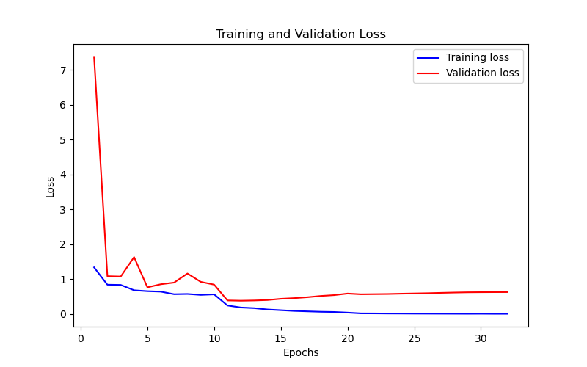
27 | 99.73 | 0.012 | 88.71 | 0.61
28 | 99.74 | 0.011 | 88.65 | 0.619
29 | 99.76 | 0.01 | 88.62 | 0.626
30 | 99.78 | 0.011 | 88.71 | 0.629
31 | 99.78 | 0.009 | 88.71 | 0.631
32 | 99.83 | 0.009 | 88.61 | 0.632

